Correlation_Matrix
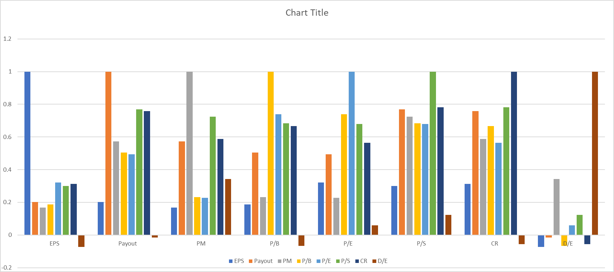
 | EPS | Payout | PM | P/B | P/E | P/S | CR | D/E
EPS | 1 | 0.2027419994 | 0.1677220478 | 0.1859541702 | 0.3222231074 | 0.300270018 | 0.3119354269 | -0.07275517326
Payout | 0.2027419994 | 1 | 0.5726888655 | 0.5038312383 | 0.4947209849 | 0.7681521075 | 0.7584850893 | -0.01478820153
PM | 0.1677220478 | 0.5726888655 | 1 | 0.2324597616 | 0.2270356401 | 0.7237113525 | 0.5870230244 | 0.3421971383
P/B | 0.1859541702 | 0.5038312383 | 0.2324597616 | 1 | 0.7383186597 | 0.6830674534 | 0.66578266 | -0.06754942507
P/E | 0.3222231074 | 0.4947209849 | 0.2270356401 | 0.7383186597 | 1 | 0.6799803918 | 0.5638679184 | 0.05817715092
P/S | 0.300270018 | 0.7681521075 | 0.7237113525 | 0.6830674534 | 0.6799803918 | 1 | 0.7812025722 | 0.1230377899
CR | 0.3119354269 | 0.7584850893 | 0.5870230244 | 0.66578266 | 0.5638679184 | 0.7812025722 | 1 | -0.05603000169
D/E | -0.07275517326 | -0.01478820153 | 0.3421971383 | -0.06754942507 | 0.05817715092 | 0.1230377899 | -0.05603000169 | 1

Payout Ratio (Rank 1)

Diluted EPS (Rank 2)

Debt to Equity (Rank 3)

Profit Margin (Rank 4)

